cell-contents
Numbers | Roll Number | Real numbers | CPI | Text |  |  | Date |  | Date & Time
 | 230101001 |  | 7.2 |  | First year, second semester CSE student |  |  | 2023-08-21 |  | 8/21/23
 | 230101002 |  | 8.4 |  | First year, second semester CSE student |  |  | 2023-08-22 |  | 8/21/23
 | 230101003 |  | 9.2 |  | First year, second semester CSE student |  |  | 2023-08-23 |  | 8/21/23
 | 230101004 |  | 9.8 |  | First year, second semester CSE student |  |  | 2023-08-24 |  | 8/21/23
 | 230101005 |  | 10 |  | First year, second semester CSE student |  |  | 2023-08-25 |  | 8/21/23
 | 230101006 |  | 7.7 |  | First year, second semester CSE student |  |  | 2023-08-26 |  | 8/21/23
 | 230101007 |  | 8.7 |  | First year, second semester CSE student |  |  | 2023-08-27 |  | 8/21/23
 | 230101008 |  | 8.4 |  | First year, second semester CSE student |  |  | 2023-08-28 |  | 8/21/23
 | 230101009 |  | 8.4 |  | First year, second semester CSE student |  |  | 2023-08-29 |  | 8/21/23
 | 230101010 |  | 7.1 |  | First year, second semester CSE student |  |  | 2023-08-30 |  | 8/21/23

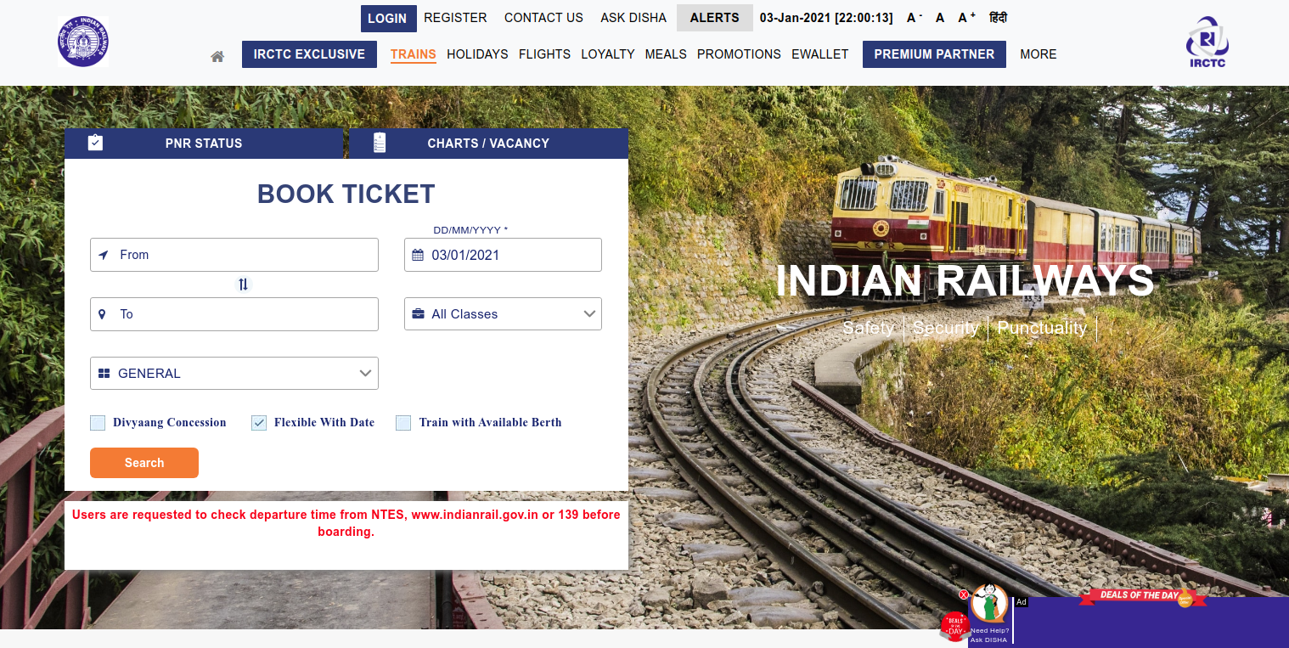
Formulas | A detailed discussion is presented | Hyper-links |  | Image |  |  | Notes/Comment
 |  | Webpage | www.google.com
 |  | Webpage | www.yahoo.com
 |  | email address | 230101001@iitg.ac.in
 |  | email address | 230101002@iitg.ac.in
 |  | link to cell within sheet 5 | E8
 |  | link to cell D10 in Sheet 4 | 220 GB

Validation Rule | Discussed in subsequent lectures | Rich Text formatting |  |  |  | Mathematical Functions | 4 | 10.71
 |  |  | This text is Bold italic with font: Comic Sans MS and font size 18

